Sheet1
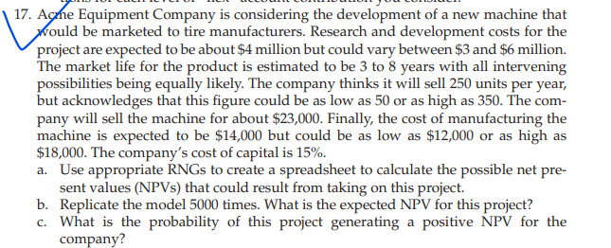
 |  |  |  |  | least | Most likely | highest
 |  | research and dev cost | 0 |  | 3000000 | 4000000 | 6000000
 |  |  |  |  | Minimum | Maximum
 |  | Market life | 0 |  | 3 | 8
 |  |  |  |  | Least | Most likely | High
 |  | Sells per year | 0 |  | 50 | 250 | 350

 |  | Selling price | 23000 |  | 23000
 |  |  |  |  | Least | Most likely | high
 |  | Cost of Manufacturing | 0 |  | 12000 | 14000 | 18000

Year | Investment | Sells per year | selling price | Cost of manufacturing per piece | Total cost | Net income
0 | 0 |  |  |  |  | 0
1 |  | 0 | 0 | 0 | 0 | 0
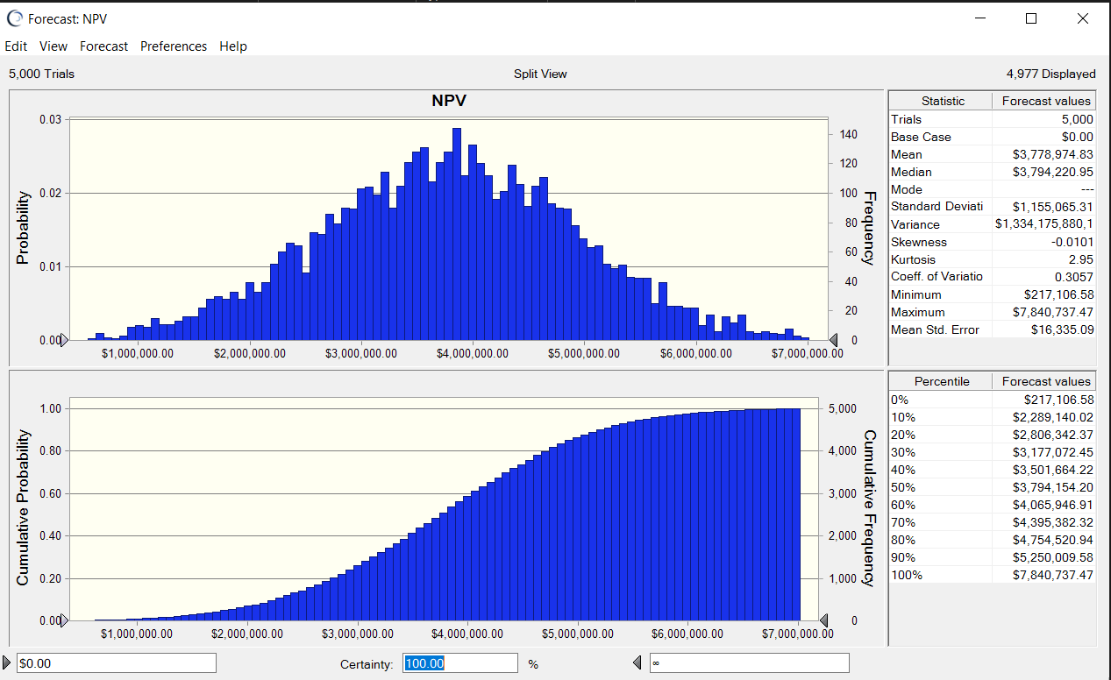
2 |  | 0 | 0 | 0 | 0 | 0
3 |  | 0 | 0 | 0 | 0 | 0
4 |  | 0 | 0 | 0 | 0 | 0
5 |  | 0 | 0 | 0 | 0 | 0
6 |  | 0 | 0 | 0 | 0 | 0
7 |  | 0 | 0 | 0 | 0 | 0
8 |  | 0 | 0 | 0 | 0 | 0

 |  |  |  | NPV | $0.00

